Q3
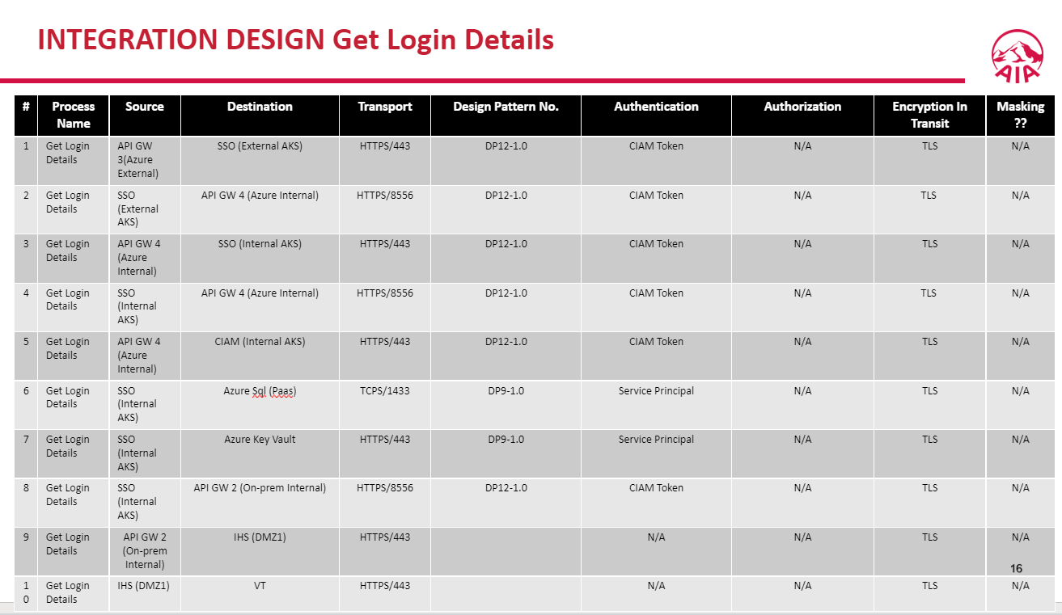
<Please provide the evidence e.g. screenshots, attachment, etc>
Return to the LIS Checklist tab

Phase 1 - Design | Phase 2 - Implementation

Q7
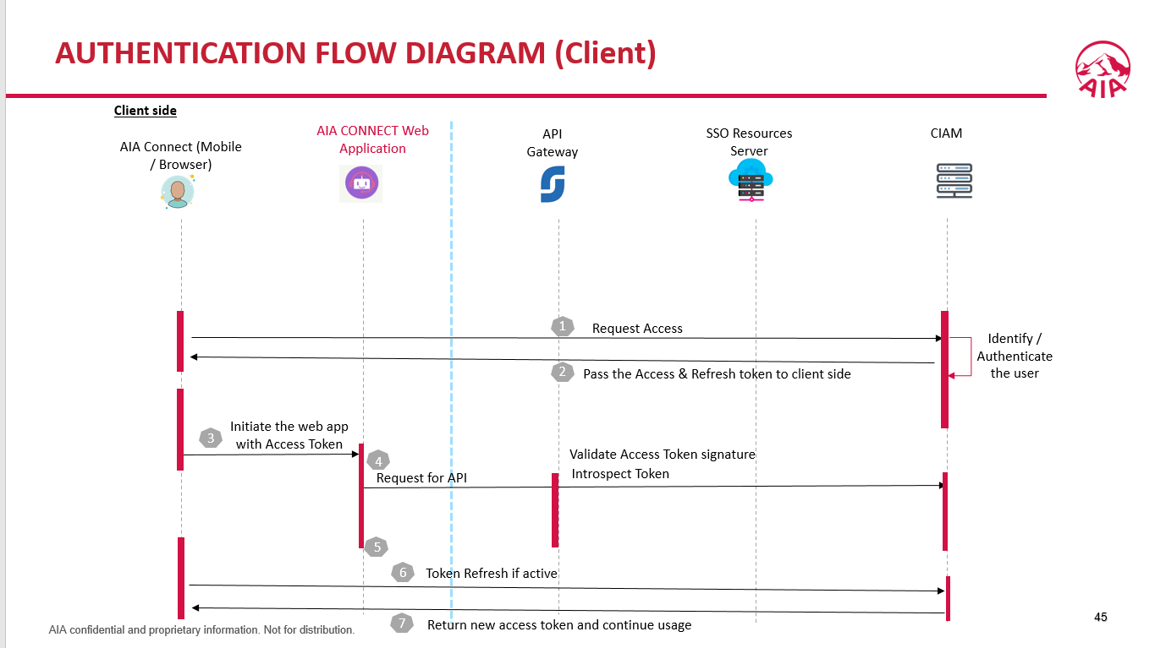
<Please provide the evidence e.g. screenshots, attachment, etc>
Return to the LIS Checklist tab

Phase 1 - Design | Phase 2 - Implementation
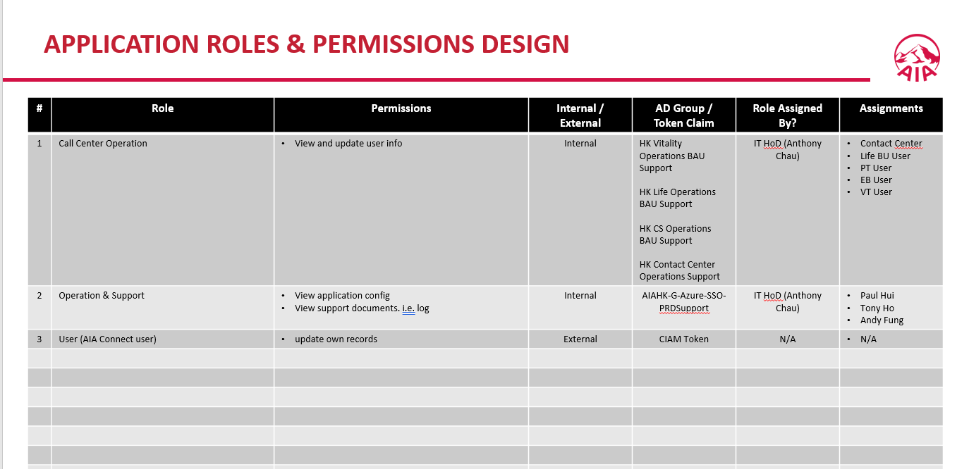 Yes - Please attach the approved DA deck(1. APPLICATION ROLES & PERMISSIONS DESIGN；2. AUTHENTICATION AND AUTHORIZATION FLOW DESIGN ) 1. Only have member conner no other roles can use the APIs 2. N/A, Due to Get Login Details is pre login status, thus CIAMSSO does not has any CIAM token in this flow.

Q11
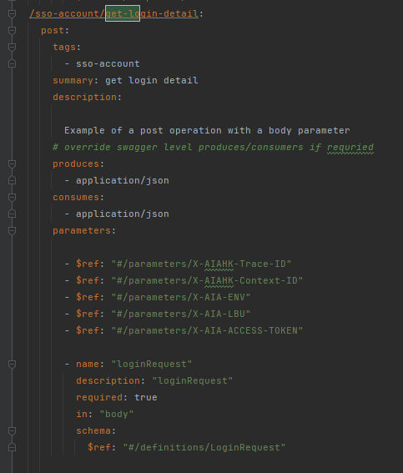
<Please provide the evidence e.g. screenshots, attachment, etc>
Return to the LIS Checklist tab

Phase 1 - Design | Phase 2 - Implementation

Q12
<Please provide the evidence e.g. screenshots, attachment, etc>
Return to the LIS Checklist tab

Phase 1 - Design | Phase 2 - Implementation
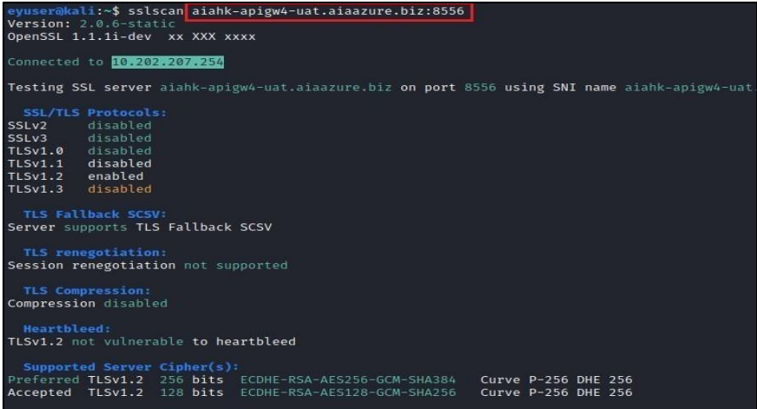 Yes - proof it in Tollgate phase

Q15
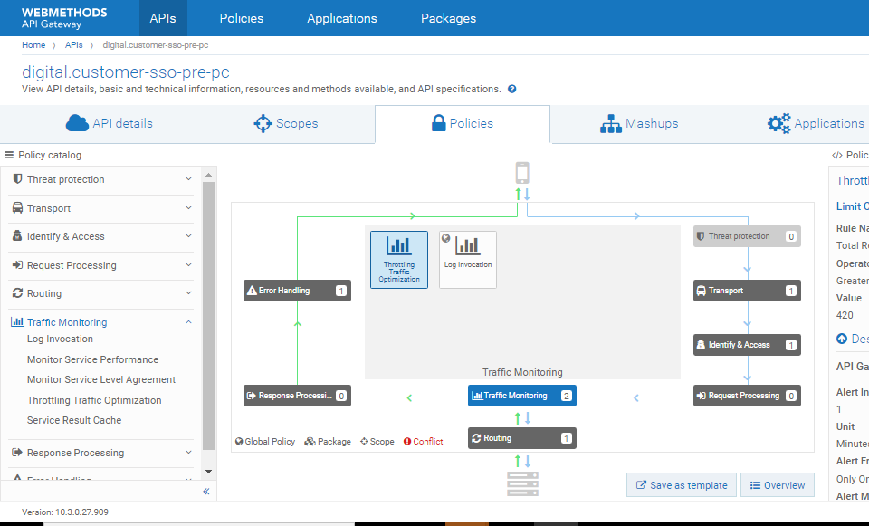
<Please provide the evidence e.g. screenshots, attachment, etc>
Return to the LIS Checklist tab

Phase 1 - Design | Phase 2 - Implementation

Q17
<Please provide the evidence e.g. screenshots, attachment, etc>
Return to the LIS Checklist tab

Phase 1 - Design | Phase 2 - Implementation
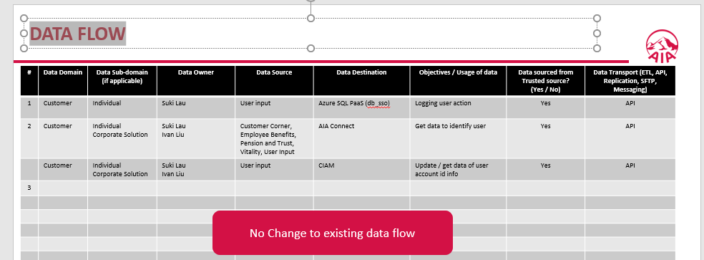 Yes - DA-288

